Sheet1
 | Document No. |  | Issue No. | Issue Date |  | Review and Replace Date |  |  |  | Authorised By
 | GFF192MC |  | 2 | 11.09.2020 |  | 11.06.2021 |  |  |  | Magda Shah
 | Document Title |  | Pilau Rice With Crispy Onions 300g
Document amendments reason for change | Shelf life updated |  |  |  | Page 1 of 1 |  | Previous Issue Date |  | 11.09.2020 | Uncontrolled copy unless signed original

CPLR-R4TEB |  | BOOTHS | Pilau Rice With Crispy Onions 300g
STEP 1 |  |  | STEP 2 |  |  |  |  | STEP 3
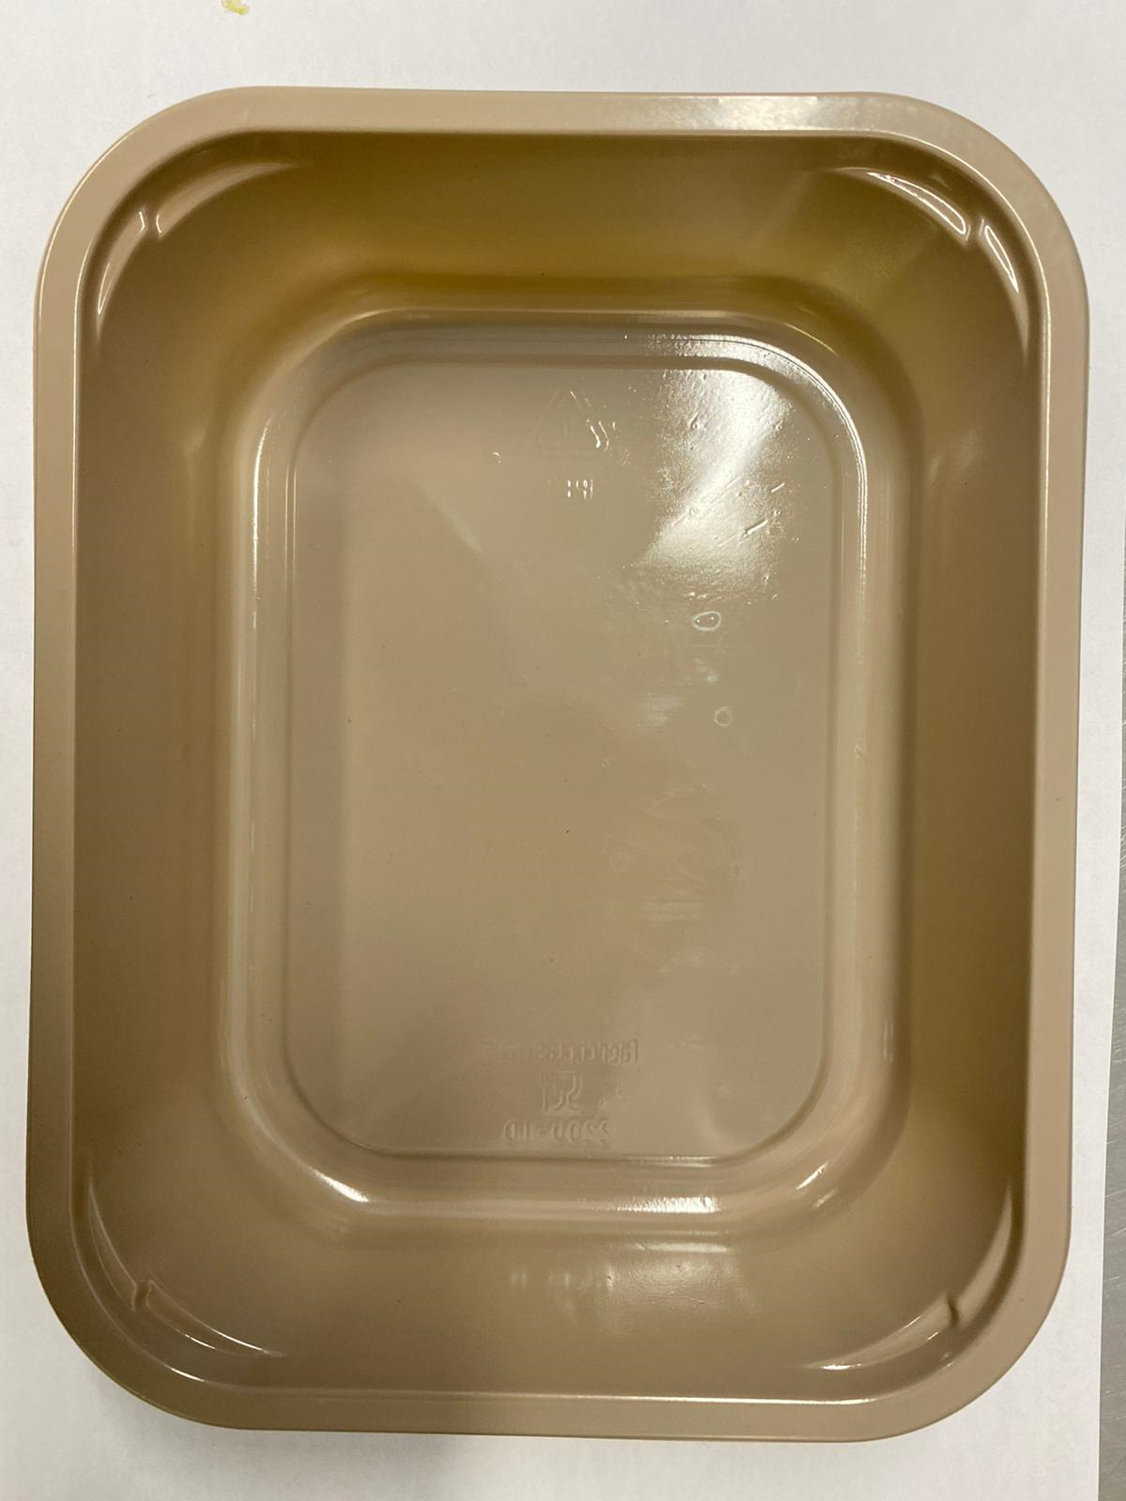 |  |  | 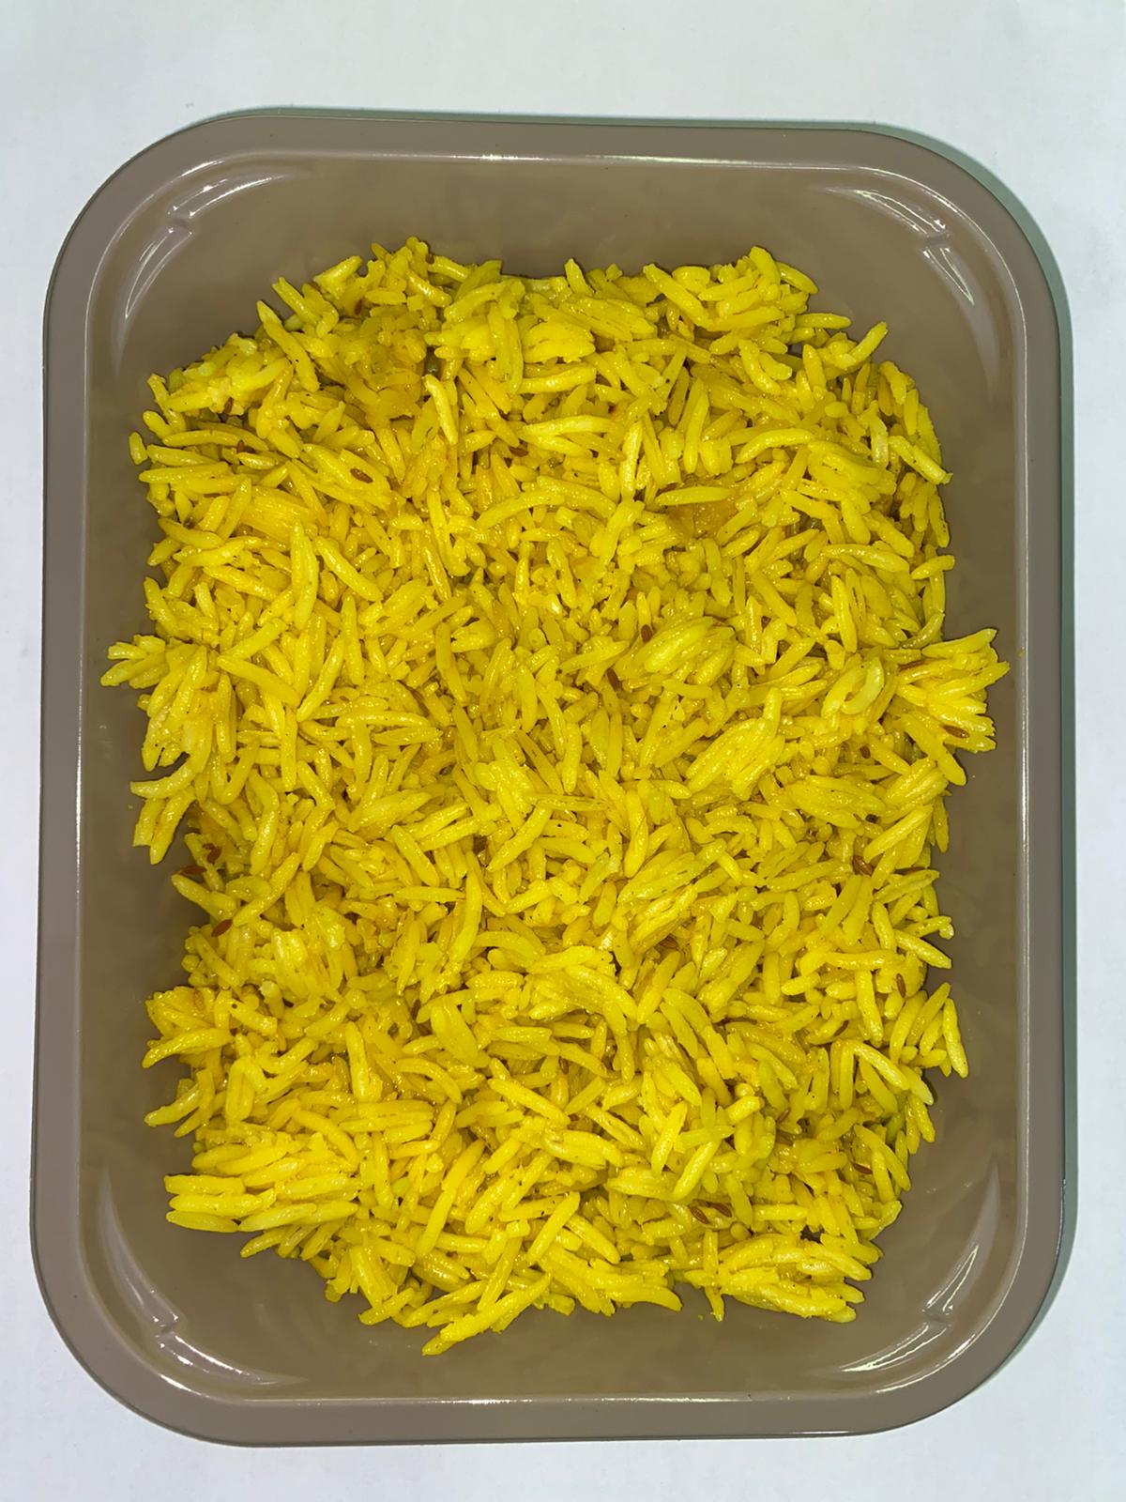 |  |  |  |  | 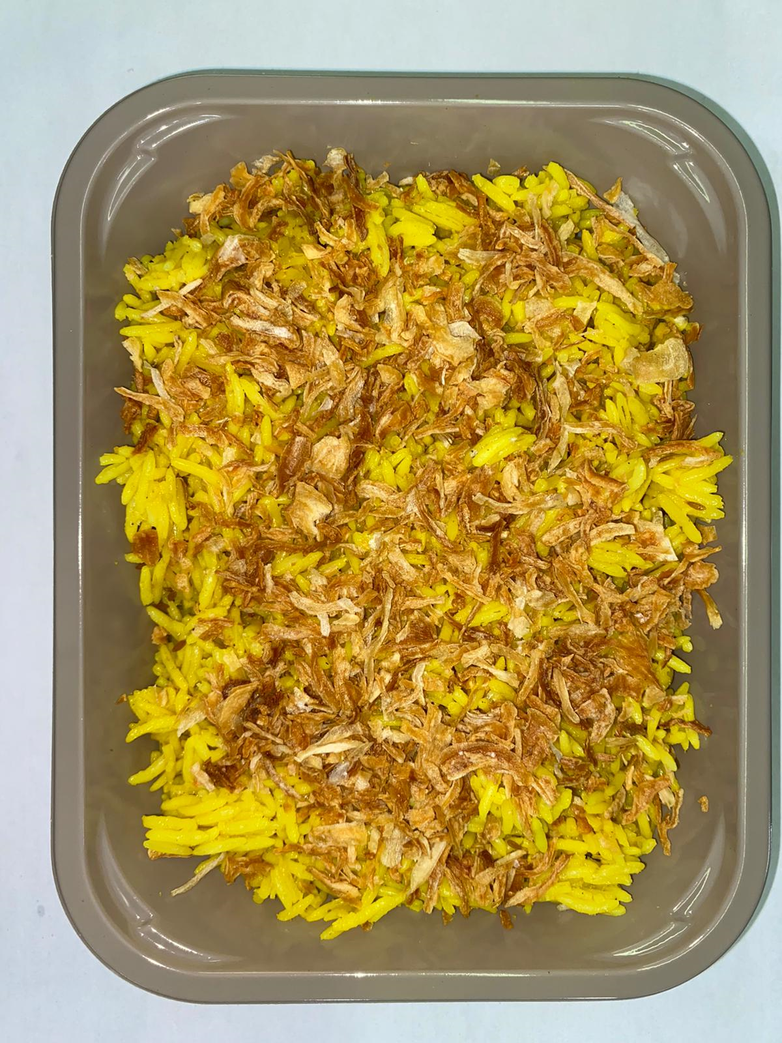

Tray: EVOLVE CPET 2200-1D (PKRHP001-09) |  |  | Pilau Rice (GFF143R): 285g |  |  |  |  | Crispy Fried Onions (RMVIR001-59): 15g
Line 1: Mylar 250LAF 250mm x 1000 (PKWRA001-08)
Line 1: K-Peel 75G + AF 25 250mm (PKKMP001-01)
Line 2: Mylar 25OLAF - 380mm wide (PKWRA001-02)
TOTAL WEIGHT: 300g
ALLERGY ALERT: none

